Acceptance Criteria
User Story | Acceptance Type | Steps
US1 | Positive | Given the user is on the login page
 |  | When the user clicks the register link
 |  | And the user provides a username "<username>"
 |  | And the user provides a password "<password>"
 |  | And the user submits the credentials
 |  | Then the user should get a browser alert saying "<success message>"
 |  | And the user should be redirected to the login page
US1 | Negative | Given the user is on the login page
 |  | When the user clicks the register link
 |  | And the user provides a username "<username>"
 |  | And the user provides a password "<password>"
 |  | And the user submits the credentials
 |  | Then the user should get a browser alert saying "<error message>"
 |  | And the user should remain on the register page
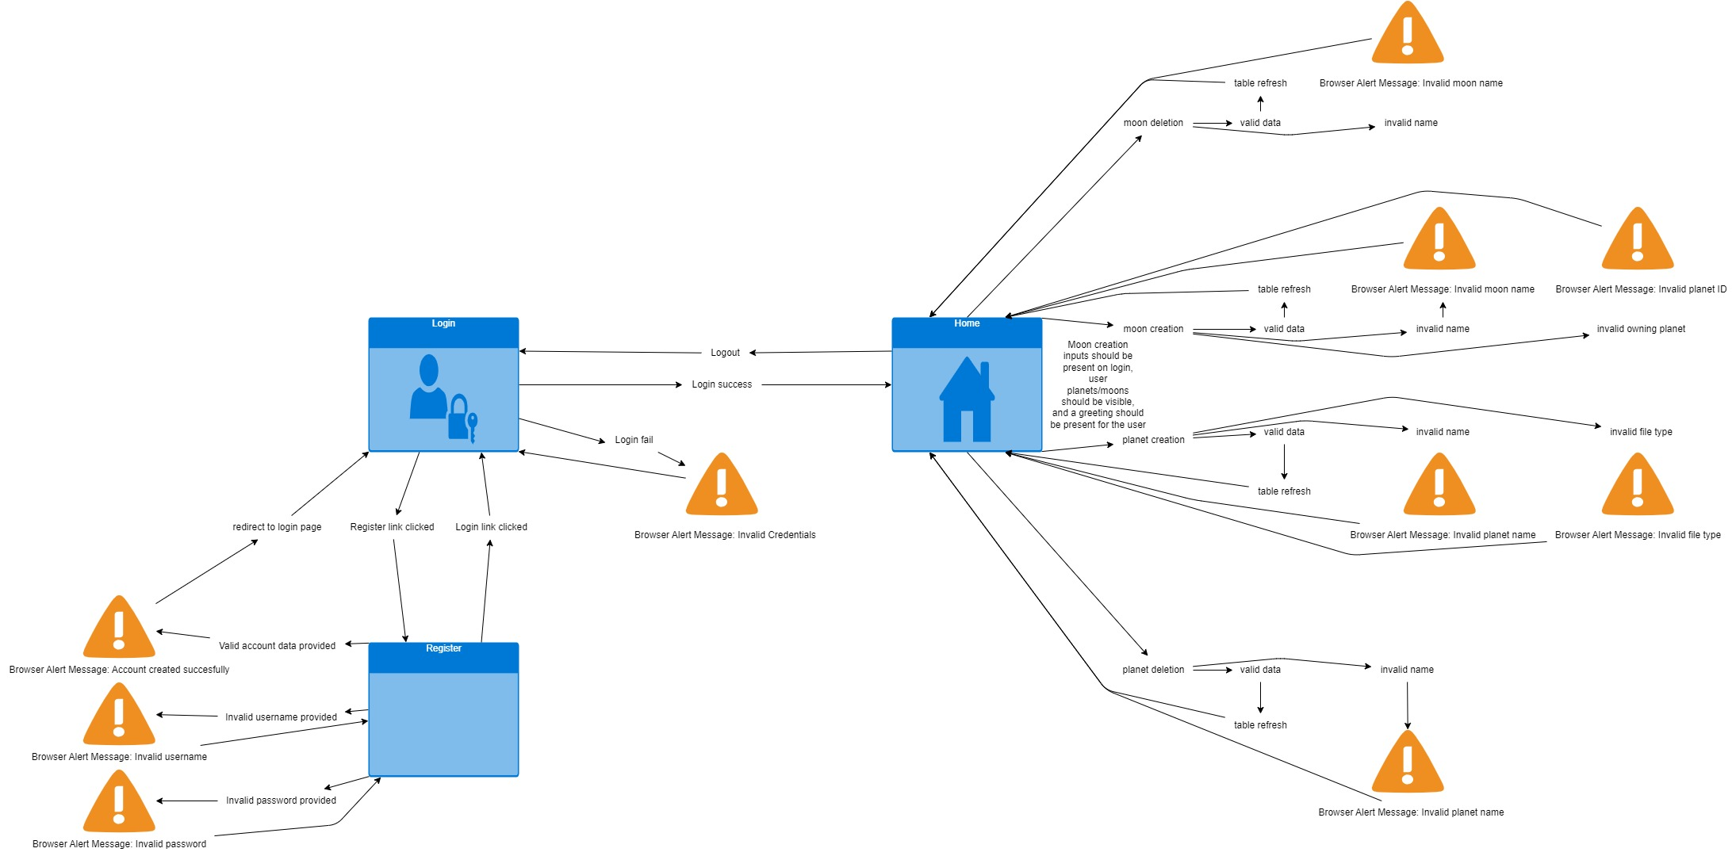
US2 | Positive | Given the user is on the login page
 |  | When the user provides their credentials
 |  | And the user submits the credentials
 |  | Then the user should be redirected to the home page
US2 | Negative | Given the user is on the login page
 |  | When the user provides their credentials
 |  | And the user submits the credentials
 |  | Then the user should get a browser alert saying "<error message>"
 |  | And the user should remain on the login page
US2 | Positive | Given user is logged in on the home page
 |  | When the user presses log out button
 |  | Then the user should be redirected to the login page
 |  | And the user should no longer have access to their data
US3 | Positive | Given successful user login and user is on home page
 |  | Then the user should be shown their saved data
 |  | *planets
 |  | *moons
 |  | And a button to create new moon data
 |  | And a greeting should be present for the user
US3 | Negative | Given the user is not logged in
 |  | When the user tries to directly access home page
 |  | Then the user should be denied access
US4 | Positive | Given successful user login and user is on home page
 |  | When user provides moon creation data to moon creation inputs
 |  | And the data is valid
 |  | Then refresh the table
 |  | And display the updated table on home page
US4 | Positive | Given successful user login and user is on home page
 |  | When user provides planet creation data to planet creation inputs
 |  | And the data is valid
 |  | Then refresh the table
 |  | And display the updated table on home page
US4 | Negative | Given successful user login and user is on home page
 |  | When user provides moon creation data to moon creation inputs
 |  | And the data is invalid
 |  | Then the user should get a browser alert saying "<error message>"
 |  | And the user should remain on the home page
US4 | Negative | Given successful user login and user is on home page
 |  | When user provides planet creation data to planet creation inputs
 |  | And the data is invalid
 |  | Then the user should get a browser alert saying "<error message>"
 |  | And the user should remain on the home page
US5 | Positive | Given successful user login and user is on home page
 |  | When user clicks on moon deletion button
 |  | And provides valid input
 |  | Then refresh the table
 |  | And display the updated table on home page
US5 | Positive | Given successful user login and user is on home page
 |  | When user clicks on planet deletion button
 |  | And provides valid input
 |  | Then refresh the table
 |  | And display the updated table on home page
US5 | Negative | Given successful user login and user is on home page
 |  | When user clicks on planet deletion button
 |  | And provides invalid input
 |  | Then the user should get a browser alert saying "<error message>"
 |  | And the user should remain on the home page
US5 | Negative | Given successful user login and user is on home page
 |  | When user clicks on moon deletion button
 |  | And provides invalid input
 |  | Then the user should get a browser alert saying "<error message>"
 |  | And the user should remain on the home page

